Sheet1
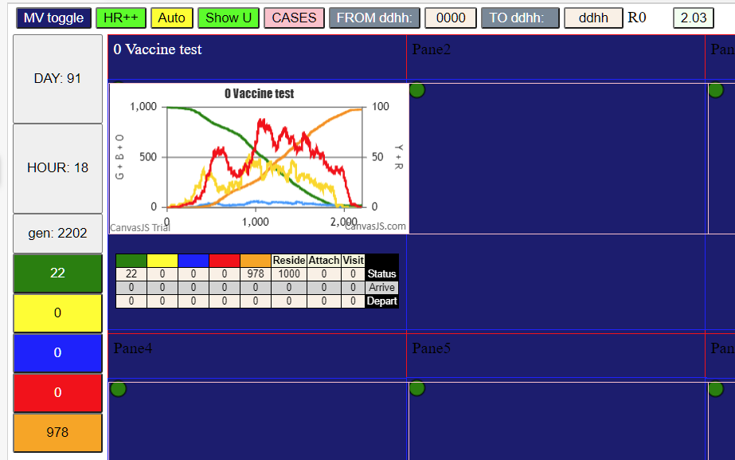

No vax to establish day parameters of what would have happened….

